Product-Research System
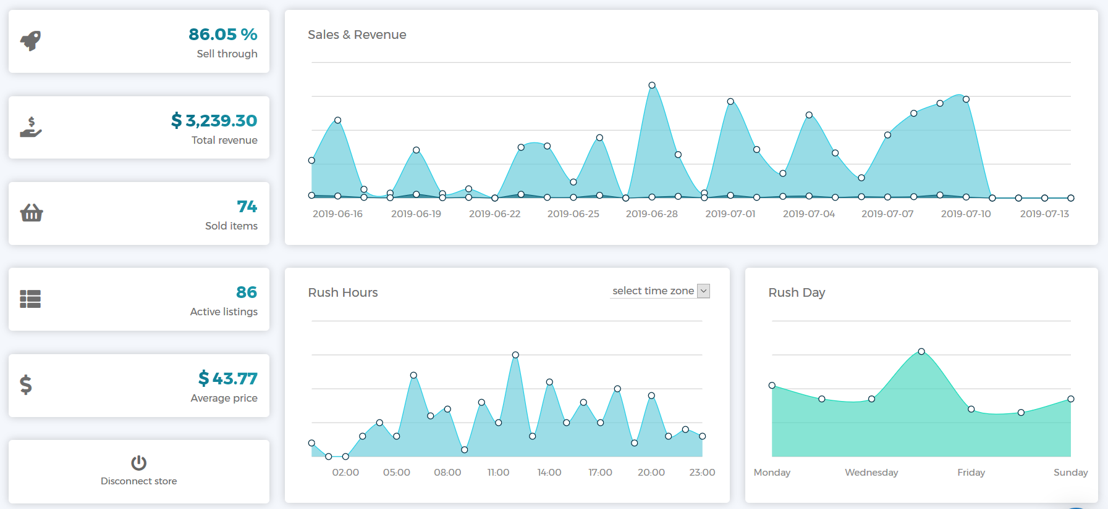
Analyze your store's performance
This a popular advanced tool for doing product research and store analysis for eBay and AliExpress. It includes access to a Facebook group, tutorial videos, and other forms of support for sellers. They have a 7-day trial for $1 if you want to try it.
CLICK HERE FOR THE TOOL
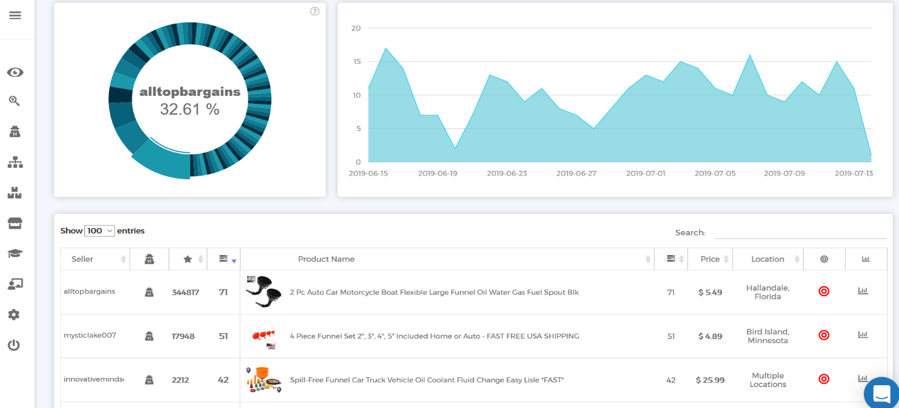
Analyze competition

